Brute Force
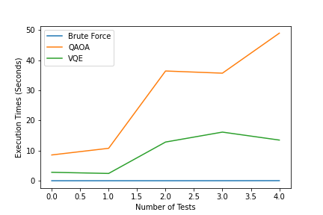
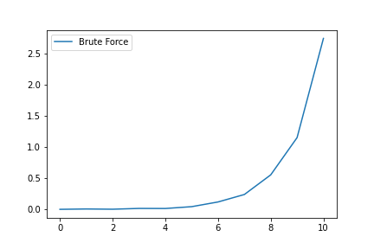
 | solution | inverse solution | maxcut | exec time | nodes
0 | 1010 | 0101 | 11 | 0.00027860101545 | 4
1 | 01100 | 10011 | 20 | 0.005974271975 | 5
2 | 111000 | 000111 | 29 | 0.0021116380231 | 6
3 | 1100100 | 0011011 | 41 | 0.014870479994 | 7
4 | 10011100 | 01100011 | 49 | 0.013739229995 | 8
5 | 110010100 | 001101011 | 75 | 0.043203878973 | 9
6 | 1110100100 | 0001011011 | 83 | 0.11877388402 | 10
7 | 11100110010 | 00011001101 | 104 | 0.23887829098 | 11
8 | 101011011000 | 010100100111 | 130 | 0.554608337 | 12
9 | 0110101101100 | 1001010010011 | 139 | 1.153579435 | 13
10 | 00001111110100 | 11110000001011 | 159 | 2.7493019 | 14

QAOA
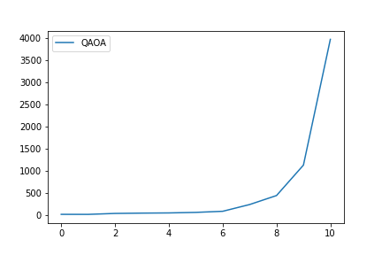
 | solution | inverse solution | maxcut | exec time | nodes
0 | 1010 | 0101 | 11 | 11.306019545 | 4
1 | 01100 | 10011 | 20 | 10.482644081 | 5
2 | 111000 | 000111 | 29 | 31.873852253 | 6
3 | 1100100 | 0011011 | 41 | 39.035847187 | 7
4 | 10011100 | 01100011 | 49 | 43.372076035 | 8
5 | 110010100 | 001101011 | 75 | 55.667656422 | 9
6 | 1110100100 | 0001011011 | 83 | 80.434067726 | 10
7 | 11100110010 | 00011001101 | 104 | 233.46006083 | 11
8 | 101011011000 | 010100100111 | 130 | 437.59815359 | 12
9 | 0110101101100 | 1001010010011 | 139 | 1127.6340744 | 13
10 | 00001111110100 | 11110000001011 | 159 | 3980.2961335 | 14

VQE

 | solution | inverse solution | maxcut | exec time | nodes
0 | 0101 | 1010 | -10.999493093 | 3.2379171848 | 4
1 | 10011 | 01100 | -19.988096333 | 3.975828886 | 5
2 | 000111 | 111000 | -28.927926716 | 11.205285311 | 6
3 | 1100001 | 0011110 | -39.915612001 | 13.75380373 | 7
4 | 01100011 | 10011100 | -48.683248038 | 14.938735008 | 8
5 | 110010100 | 001101011 | -74.541668781 | 18.348695517 | 9
6 | 1010110100 | 0101001011 | -81.85442304 | 39.29148221 | 10
7 | 11001100010 | 00110011101 | -95.410262814 | 70.977118969 | 11
8 | 010011010110 | 101100101001 | -114.16537936 | 139.18043423 | 12
9 | 1001010010011 | 0110101101100 | -137.78880265 | 361.57557654 | 13
10 | 01010000110101 | 10101111001010 | -151.20279365 | 1215.4884124 | 14

